Sheet1
Instructions for Correctly Filling CO2
Chambers
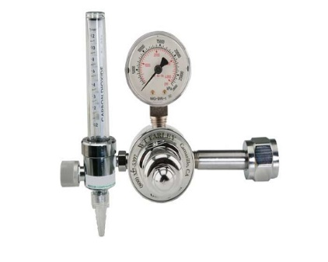
The 2020 American Veterinary Medical Association Guidelines for the Euthanasia of Animals recommends a gradual fill method at a displacement rate of 30-70% of the chamber volume per minute.

For this chamber the flow rate is |  |  | 8 | to | 20 | LPM

1. Multiply the length, width, and height of the chamber in inches
2. Divide by 61 to determine the volume in liters
3. Multiply by 30-70% (0.3-0.7) to determine the proper flow rate
Enter values in
gray boxes to
calulate flow
rates

÷
X
=
 |  | height = | 12”
 |  |  |  | 1728 |  | 61 | 0.3 | 8 LPM

÷
X
=
 |  |  |  | 1728 |  | 61 | 0.7 | 20 LPM
 |  | width = | 12”

length = | 12” | Note: Death must be confirmed by examining the animal for cessation of vital signs prior to disposal

